TASKS
INTEGRITY AND AUTHENTICITY TASK LIST
MY TASKS | START DATE | END DATE | % COMPLETE | NOTES
Task | Date | Date | 0%
Task | Date | Date | 50%
Task | Date | Date | 100%
Task | Date | Date | 0%
Task | Date | Date | 50%
Task | Date | Date | 100%
Task | Date | Date | 0%
Task | Date | Date | 50%
Task | Date | Date | 100%
INTEGRITY = Keeping your word
AUTHENTICITY = Being your genuine self
Directions: (1) List your task/activity that you are holding yourself accountable to complete in integrity and/or authenticity,
(2) Enter your start and end date, (3) Mark it complete or not, (4) Then add any important notes about winning or learning
(5) Save as a different file name with an underscore and your initials.
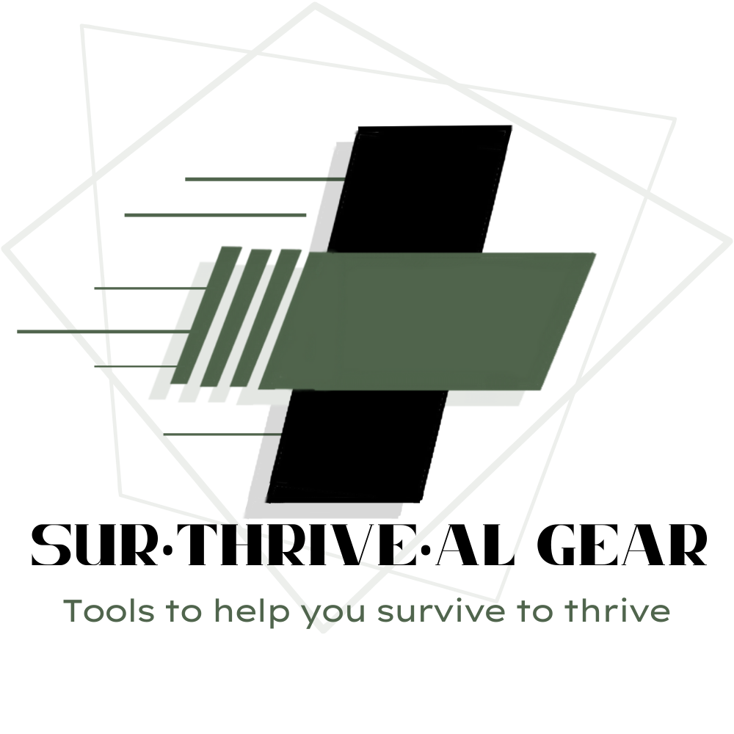
Examples of How to be intentional about Integrity and Authenticity = these would also be tools for improvement:

